Earthworks
SECTION 4 – IN-PROCESS INSPECTIONS
Item No. | Activity/ Task Description | Inspection Point: Quality Control Activity | Acceptance Criteria | Verifying Document | Frequency | Inspection Type | Inspection
 |  |  |  |  |  |  | Key | By | Checked (PM Initial) | Date
2 | Earthworks | Final Sign Off | All below requirements are met and approved by CR | Referenced Item numbers as below | Once post construction | Hold Point | H | ER
2.1 | Source Properties Imported Fill
2.1.1 | Bearing Strength | Sampled from truck or stockpile onsite as per NZS4402 clasue 1.6.3 & 1.6.4 | CBR > 40 as per NZS4402 Note: For Hard Fill CBR, the target CBR is determined by trhe following formula:The tests shall consist of 4-day soaked CBRs carried out to NZS 4402. If the sample mean is C and the standard deviation is s then C must not be less than 40 + 1.3s. | IANZ Lab Report | Once per stockpile | Review | R | ER
2.1.2 | Weathering Resistance | Samples to be sent to lab for testing or provided by quarry | QI = AA, AB, AC, BA, BB, CA, CB as per NZS4407 1991 Test 3.11 | IANZ Lab Report | Once per stockpile | Review | R | ER
2.1.3 | Grading Limits | Samples to be sent to lab for testing or provided by quarry | 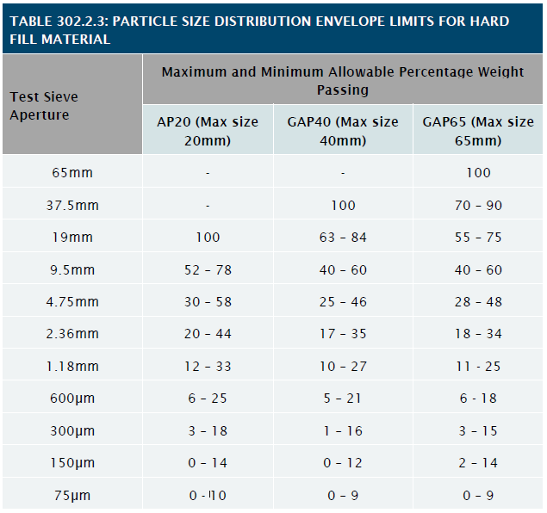 Grading within envelope as per table 302.2.3 (Technical Specifications) Tested in accordance with NZS4407 1991 Test 3.8.1 | IANZ Lab Report | Once per stockpile | Review | R | ER
 |  |  | 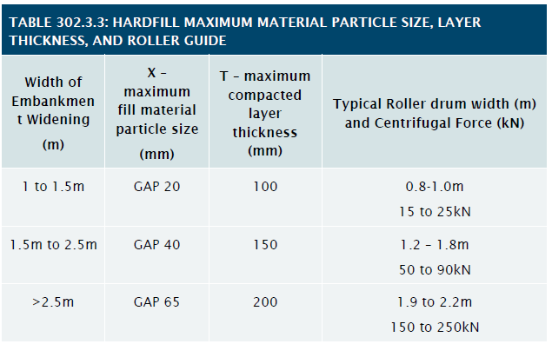 Maximum Material Particle size:
2.2 | Construction
2.2.1 | Topography Survey | Pre-Cut/Fill Survey | Within Design Expectations | Survey Data | Once per construction area | Action | A | SV
2.2.2 | Survey Set out | Onsite Setout | Survey have setout using pegs or similar, the location of the pavement in regards to horizontal and vertical alignment, as per design. Existing surface to be surveyed for quantity measurements prior to topsoil strip, prior to cut or fill and after completion of Cut or Fill. | N/A | As required | Action | A | SV
 |  |  | Note: Prior to Cut and Fill Operation, Site Clearance and Topsoil stripping is required. NZTA F/1: Clause 3 - Clearing Clearing shall include complete removal from the site of trees, logs, scrub, grass, roots, and other vegetation fences (if any) and debris. All material removed shall become the property of the Contractor and disposed in a safe and legal mannner. Burning of rubbish & vegetation is not permitted at any time; irrespective of Local Authority permission. NZTA F/1: Clause 4 Topsoiling - Removal depth100mm thick. Only Topsoil under the footprint of works shall be removed.
2.2.3 | Visual inspection of final trimmed subgrade surface | Pre pavement construction visual inspection | . | Site Inspection Form | Once per construction area | Witness Point | W | PM & ER
2.2.4 | Compaction (granular) | Proof Roll | Surface impression not greater than: 7mm for bulk fill 5mm for subgrade fill Using 11t Smooth Drum Roller or equivalent. | Site Inspection Form | Once per construction area | Hold Point | H | PM & ER
2.2.5 | Compaction (Non-granular) | Wet density measure | See TNZ F-1 1997 Clause 10.5.2 Non Granular Material | Site Inspection Form | Once per construction area | Hold Point | H | PM & ER
2.2.6 | California Bearing Ratio | DCP Testing | Equivilant CBR value of ≥ 2% | DCP Test Report | TBD by Engineer | Hold Point | H | ER
2.2.7 | Surface Finish Tolerances | Straight edge, as-built and inspection | No point varying more than 30mm on a 3m straight edge laid parallel to centreline, or x-section camber board at 90° to centreline. No ponding where design slope ≥ 2% RL Tolerence = +0 - 30mm from design Survey data / As-built drawings to be submitted to engineer. The subgrade surface shall not pond water, where the design slope of the subgrade is 2% or steeper. | Straight Edge form, as-built survey data, visual inspection | TBD by Engineer | Hold Point | H | PM & ER
2.2.8 |  | Subgrade Testing and Improvement | 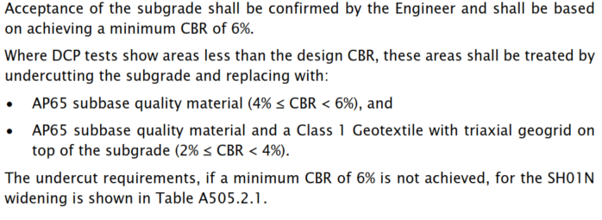 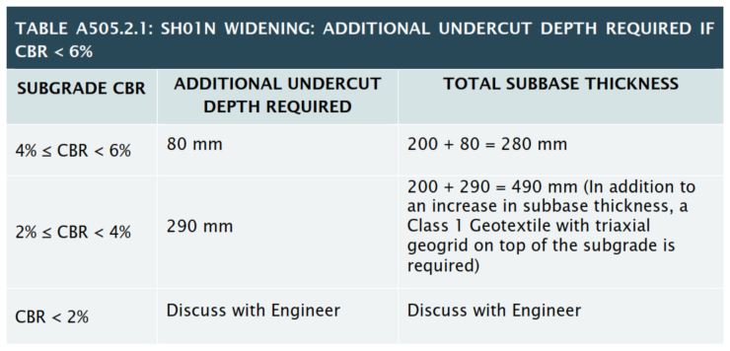 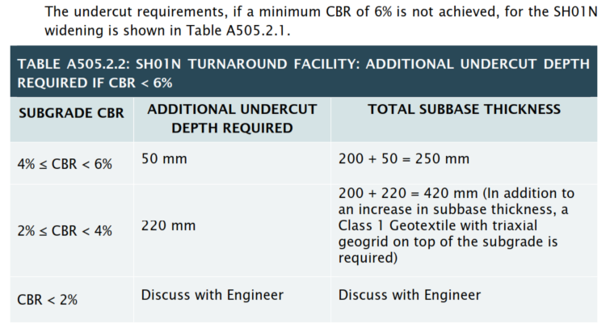 The in-situ subgrade shall be: - Tested with Dynamic Cone Penetrometer (DCP) as out in Section 505.2.3 - Proof roll as per the requirements as out in Section 505.2.4 | IANZ Lab Report | Each layer constructed. | Hold Point | H | PM & ER

COMMENTS
 |  |  |  |  | Customer Release Granted: | ☐ Yes | ☐ No | Date:
 |  |  |  |  | Certificate Number:

